Bug_1
Bug ID | Bug_01 | Network | Wi-Fi
Bug Summary | There's no text indication to the user in case of missing information. The application just shows empty space. | Bug Status | Opened
Bug Severity | Medium | Bug Priority | To be decided by the business analyst

S # | Test Environment:
1 | iOS Device (Software version : 13.6.1)
2 | Application version 5.41

S # | Prerequisites:
1 | Application "Yalla-Kora" is installed

Step # | Step Detail: |  | Expected Results | Actual Results
1 | Open “Yalla-kora” App |  | * User should land on Yallakora"Home page" | As Expected
2 | Click on matches "مباريات" in the bottom navigation bar |  | A list shall be opened with all matches at the choosen date | As Expected
3 | From the top right click on the calendar icon and select any date to dsiplay the matches on that date (select a date that dont have ay matches. e.g 25 May 2021) |  | A text shall be displayed indicating that there is no matches at the choosen date incase there are no matches at that date | A blank white page is displayed with no information provided

Screenshot
 | 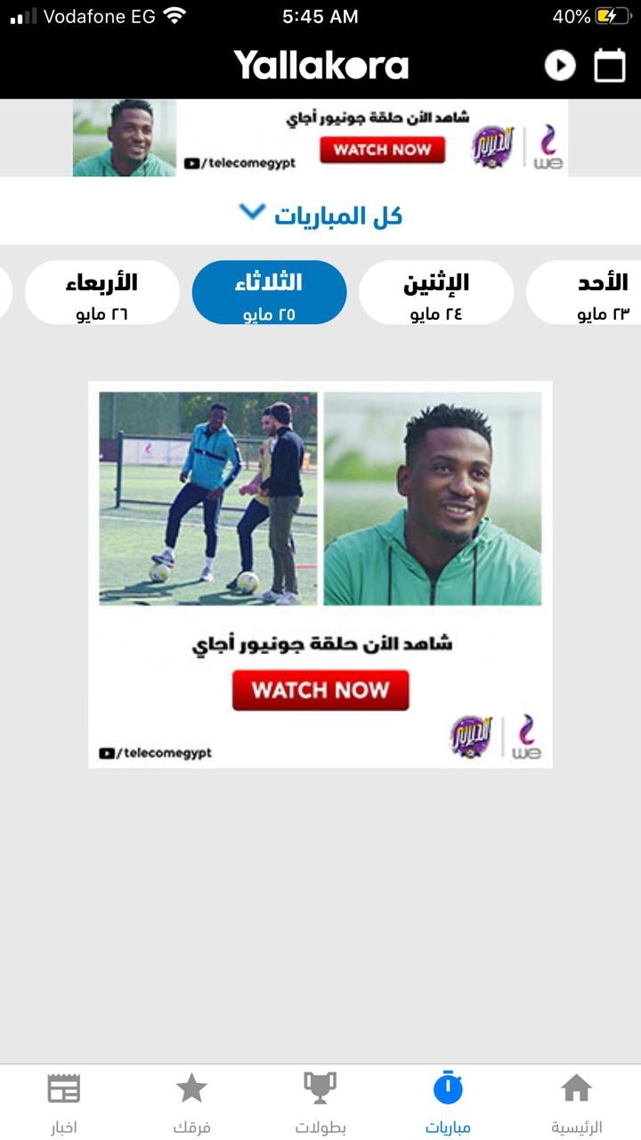

Bug_2
Bug ID | Bug_02 | Network | Wi-Fi
Bug Summary | In match details page, the word "انتهت" at the top of the page doesn't have same vertical space above the word than below it, as it has be centered within the frame. | Bug Status | Opened
Bug Severity | Low | Bug Priority | To be decided by the business analyst

S # | Test Environment:
1 | iOS Device (Software version : 13.6.1)
2 | Application version 5.41

S # | Prerequisites:
1 | Application "Yalla-Kora" is installed

Step # | Step Detail: |  | Expected Results | Actual Results
1 | Open “Yalla-kora” App |  | * User should land on Yallakora"Home page" | As Expected
2 | Click on matches "مباريات" in the bottom navigation bar |  | A list shall be opened with all matches at the chosen date | As Expected
3 | Choose a previous date than the current date and pick any match to see the match details page |  | Match details shall be displayed with proper UI representation | Improper UI representation of match details as the word "انتهت" at the top of the page is not centered within I's frame

Screenshot
 | 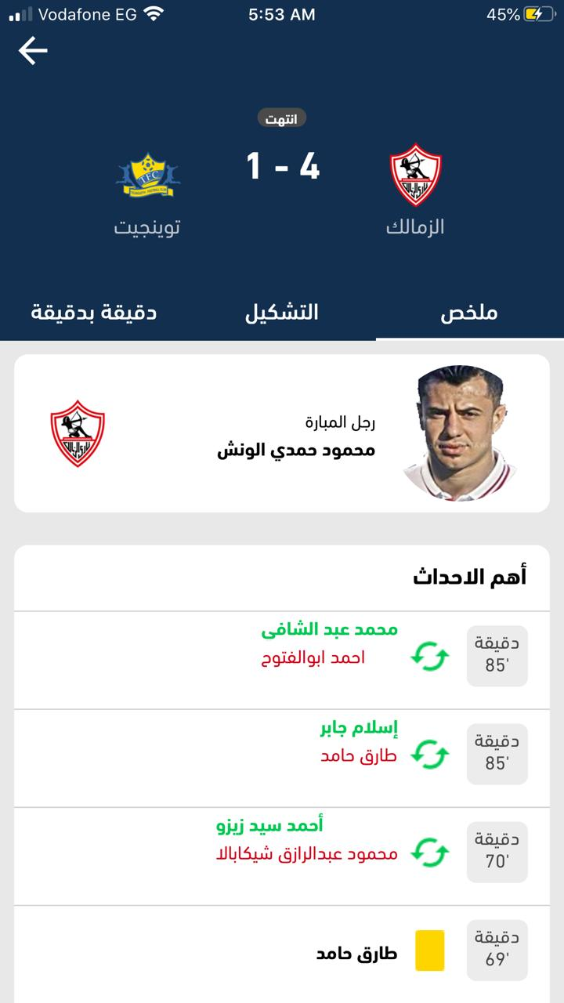

Bug_3
Bug ID | Bug_03 | Network | Wi-Fi
Bug Summary | The loading indicator is very high at the top in a misplaced position. | Bug Status | Opened
Bug Severity | Low | Bug Priority | To be decided by the business analyst

S # | Test Environment:
1 | iOS Device (Software version : 13.6.1)
2 | Application version 5.41

S # | Prerequisites:
1 | Application "Yalla-Kora" is installed

Step # | Step Detail: |  | Expected Results | Actual Results
1 | Open “Yalla-kora” App |  | * User should land on Yallakora"Home page" | As Expected
2 | Click on matches "مباريات" in the bottom navigation bar |  | A list shall be opened with all matches at the chosen date | As Expected
3 | Choose a previous date to preview matches on that date and check the loading indicato |  | A loading indicator shall be displayed before the details are retrieved in mid -screen position | Loading indicator position is misplaced at the top of the page Expected to be mid-screen or a bit lower

Screenshot
 | 

Bug_4
Bug ID | Bug_04 | Network | Wi-Fi
Bug Summary | No information is retrieved upon searching for a specific team to be added to the favorite team list before selecting a specific tournament | Bug Status | Opened
Bug Severity | High | Bug Priority | To be decided by the business analyst

S # | Test Environment:
1 | iOS Device (Software version : 13.6.1)
2 | Application version 5.41

S # | Prerequisites:
1 | Application "Yalla-Kora" is installed
2 | No team is added to the favorite list

Step # | Step Detail: |  | Expected Results | Actual Results
1 | Open “Yalla-kora” App |  | * User should land on Yallakora"Home page" | As Expected
2 | Click on your teams "فرقك" in the bottom navigation bar |  | A list shall be opened with all tournaments and search input field with text "بحث عن فرقه او منتخب" | As Expected
3 | Before selecting a specific tournament search for a specific team"فرقه او منتخب" in the search filed in the page |  | The search input filed should be dimmed unless you choose a specific tournament OR should retrieve information. OR should mention that you have to search for a tournament" دوري او بطوله" rather than "بحث عن فرقه او منتخب" | Search input is active displaying "بحث عن فرقه او منتخب" and no information is retrieved upon searching in it

Screenshot
 | 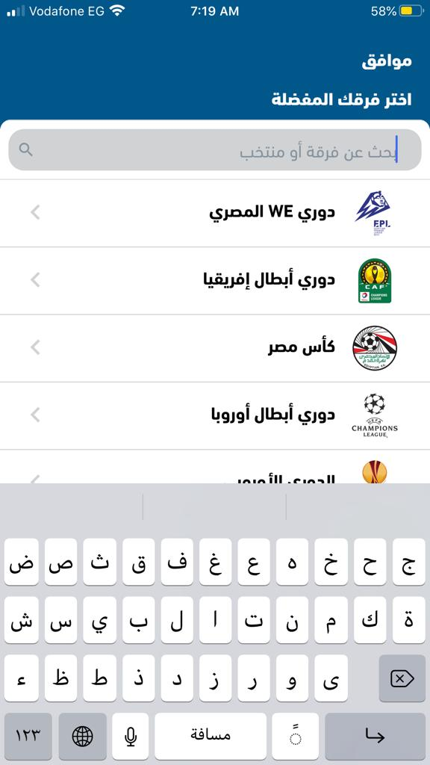 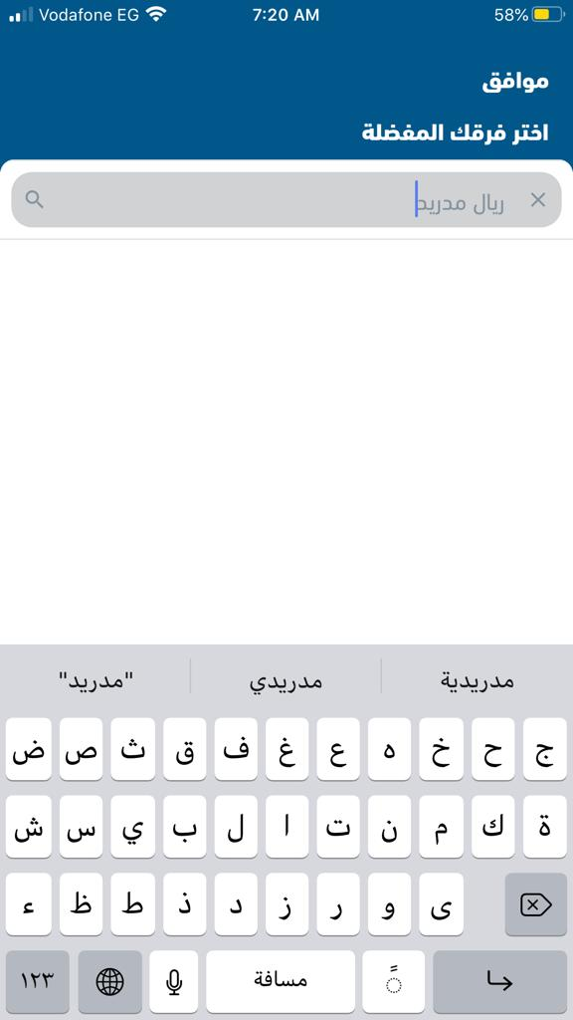

Bug_5
Bug ID | Bug_05 | Network | Wi-Fi
Bug Summary | The app crashes upon adding all the teams in دوري ابطال اوربا" to my favorite list "فرقك" | Bug Status | Opened
Bug Severity | High | Bug Priority | To be decided by the business analyst

S # | Test Environment:
1 | iOS Device (Software version : 13.6.1)
2 | Application version 5.41

S # | Prerequisites:
1 | Application "Yalla-Kora" is installed
2 | No team is added to the favorite list

Step # | Step Detail: |  | Expected Results | Actual Results
1 | Open “Yalla-kora” App |  | * User should land on Yallakora"Home page" | As Expected
2 | Click on your teams "فرقك" in the bottom navigation bar |  | A list shall be opened with all tournaments and search input field with text "بحث عن فرقه او منتخب" | As Expected
3 | Choose دوري ابطال اوربا" and add all the teams listed to the favorite list then click "موافق" |  | The teams shall be added to the favorite list | The app-crashes upon saving the favorite list with all teams
4 | Re-open the app after it crashes and Click on your teams "فرقك" in the bottom navigation bar then scroll the added teams |  | Added teams shall be displayed | The app crashes again

Screenshot
 | 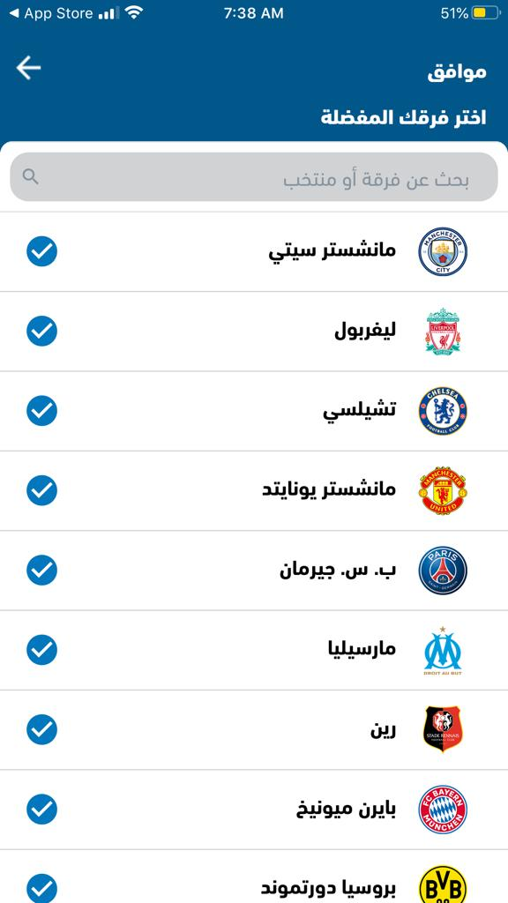

Bug_6
Bug ID | Bug_06 | Network | Wi-Fi
Bug Summary | Player picture is not displayed beside his name for some players in the top scorer list | Bug Status | Opened
Bug Severity | Medium | Bug Priority | To be decided by the business analyst

S # | Test Environment:
1 | iOS Device (Software version : 13.6.1)
2 | Application version 5.41

S # | Prerequisites:
1 | Application "Yalla-Kora" is installed

Step # | Step Detail: |  | Expected Results | Actual Results
1 | Open “Yalla-kora” App |  | * User should land on Yallakora"Home page" | As Expected
2 | Click on tournaments "بطولات" in the bottom navigation bar |  | A list shall be opened with all tournaments | As Expected
3 | Choose" دوري ابطال افرقيا" |  | Information related to the chosen tournament shall be displayed | As Expected
4 | From the top select statistics "الاحصائيات" |  | Top score players shall be displayed in terms of name and picture | In consistent behavior as some players are missing their photos

Screenshot
 | 